1. Title Page
[Instacart Grocery Baskperet Analysis]

Project Name: Instacart Grocery Basket Analysis
Date: 02/07/2024
Analyst Name: Saikat Halder

Contents:
Population Flow
Consistency checks
Wrangling steps
Column derivations
Visualizations
Recommendations
Data Citation

2. Population Flow
Title page

Population flow

Exclusion flag
Condition: max_order < 5
Obervations to be removed: 1440295
Final total count of order_products_all: 30964564

Orders_products_combined
Orders_products_merged
Orders_products_all

Total: 32404859
Total: 32434489
Total: 32404859

3. Consistency checks
 |  |  |  |  |  | Title page
Consistency checks

Dataset | Missing values | Column Name | Missing values treatment | Duplicates | Treatment
orders | 206209 | days_since_prior_order | Since the NaN values were due to the order being the first order each customer, I replaces the NaN values with '0' | 0 | N/A
products | 16 | product_name | Since product names are a vital part of analysis, I decided to create a new dataframe where the records for missing values were deleted. | 5 | Duplicate records were removed.
orders_products_prior | N/A | N/A | N/A | 0 | N/A
customers | 11259 | first_name | Replaced the NaN values with 'Unknown' | 0 | N/A

4. Wrangling steps
 |  |  |  |  |  | Title page
Wrangling steps

Data Set | Columns dropped | Columns renamed |  | Columns' type changed | Comment/Reason
 |  | Original Column Name | After Renaming
orders | eval_set | order_dow | order_day_of_week | N/A | This column only has one value-'prior', which indicates this particular record is from prior data set released by instacart. This column did not add any values to our analysis and had been removed to clear space. 'order_dow' column name was changed to maintain understandibility across the dataset. |  | `
products | N/A | N/A | N/A | N/A | N/A
orders_products_prior | N/A | N/A | N/A | N/A | N/A
customers | N/A | First Name | first_name | N/A | The column names were changed to maintain uniformity and understandibility across the dataset
 |  | Surname | last_name
 |  | Gender | gender
` |  | STATE | state
 |  | Age | age
 |  | n_dependents | number_of_dependents
 |  | fam_status | marital_status

5. Column derivations
 |  |  |  | Title page

Column derivations and aggregations

Dataset | New column | Column/s it was derived from | Conditions
orders_products_merged | price_label | prices | Low range productrs where prices are below 5
 |  |  | Mid range products where prices are between 15 and 5
 |  |  | High range products where prices are more than 15
 | busiest_days | order_day_of_week | 0' and '1' have the highest freqeuncy counts and is labeled as 'Busiest days'
 |  |  | 4' and '3' have the lowest freqeuncy counts and is labeled as 'Slowest days'
 |  |  | The rest of the days are labeled as 'Regularly busy'
 | busiest_period_of_day | order_hour_of_day | Frequency Counts Between 2761760 and 2000000 = 'Most orders'
 |  |  | Frequency Counts Between 2000000 and 4000000 = 'Fewest orders'
 |  |  | Rest are labeled as 'Average orders'
 | loyalty_flag | max_order | If 'max_order' is more than 40, label the customer as 'Loyal customer'
 |  |  | If 'max_order' is more than 10 but less than or equal to 40, label the customer as 'Regular customer'
 |  |  | If 'max_order' is less than or equal to 10, label the customer as 'New customer'
 | spending_flag | average_product_price | If 'average_product_price' is less than 10, label the customer as 'Low spender'
 |  |  | If 'average_product_price' is more than or equal to 10, label the customer as 'High spender'
 | order_frequency_flag | median_reorder | If 'median_reorder' is higher than 20, label the customer as 'Non-frequent customer'
 |  |  | If 'median_reorder' is higher than 10 and lower than OR equal to 20, label the customer as 'Regular customer'
 |  |  | If 'median_reorder' is lower than or equal to 10, label the customer as 'Frequent customer'
orders_products_all | age_group | age | If age is greater than or equal to 18 and is less than 30, label the customer as 'Adult'
 |  |  | If age is greater than or equal to 30 and is less than 65, label the customer as 'Middle aged'
 |  |  | If age is greater than or equal to 65, label the customer as 'Sebior citizen'
 | income_level | income | Categorizing Income based on mean and 1 standard deviation
 |  |  | If income is greater than or equal to (mean income + 1 std_dev_income), label the customer as 'Above Avg Income'
 |  |  | If income is less than (mean income - 1 std_dev_income), label the customer as 'Below Avg Income'
 |  |  | If income is greater than or equal to (mean income - 1 std_dev_income) AND les than (mean income + 1 std_dev_income). label the customer as 'Avg Income' |  | `
 | is_parent | number_of_dependents | If number_of_dependents is greater 0, label the customer as 'has children'
 |  |  | If number_of_dependents is less than or equal to 0, label the customer as 'does not have children'
 | customer_profile | age_group | Created an array for unique values in all the profiling values and then used a for loop to iterate over each combination of the columns it is being derived from.
 |  | income_level
 |  | is_parent
 |  | marital_status

6. Visualizations
 |  |  |  |  |  |  | Title page

Visualisations

1. The sales team needs to know what the busiest days of the week and hours of the day are (i.e., the days and times with the most orders) in order to schedule ads at times when there are fewer orders.

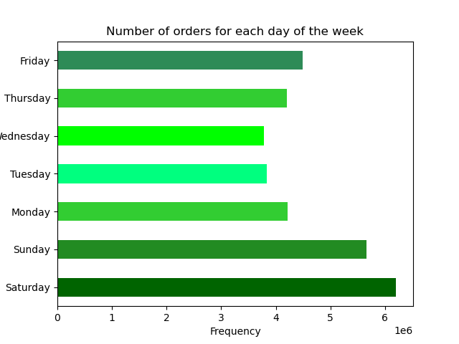
 | a. order_day_of_week

This chart shows us the frequency count of order_day_of_week. We can see that it is busiest in the weekends- Saturday, Sunday and Friday

 | b. order_hour_of_day

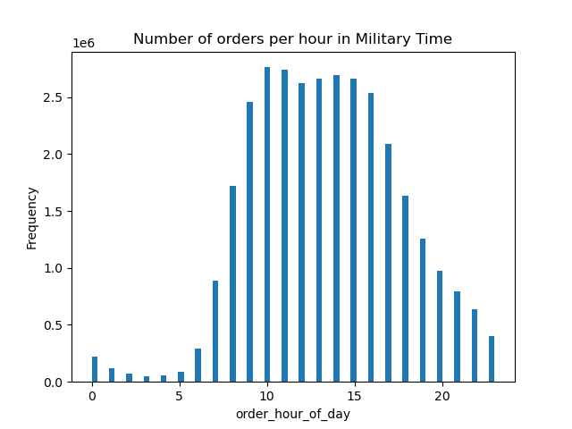

This chart shows the relationship between number of hours and the hour of the day in Military Time.
The order frequency starts to increase at 7:00 AM in the morning and reaches its peak at 10:00 AM. The order frequency starts to decrease after 4:00 PM. The busiest time would be from 9:00 AM till 5:00 PM

2. Sales Team also want to know whether there are particular times of the day when people spend the most money, as this might inform the type of products they advertise at these times.
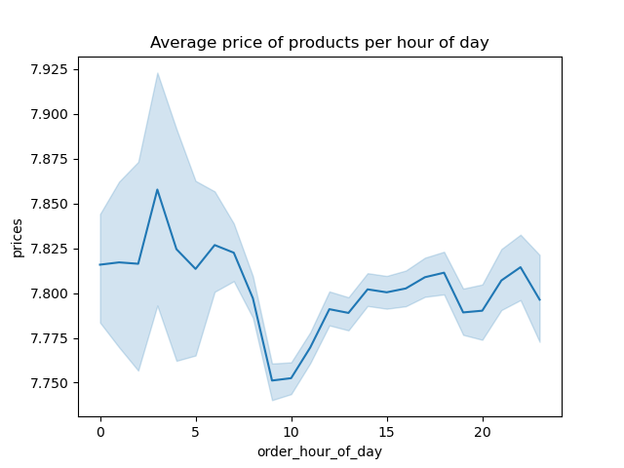

The line chart shows the relationship of average price of products and the hour of day.
It shows that the price is the highest when its 3 am and is the lowest when its 9 AM. The fluctuation of Average prices is very minimal and we can conculde that there is no significant relationship between price and hour of the day.

3. Instacart has a lot of products with different price tags. Marketing and sales want to use simpler price range groupings to help direct their efforts.

 | A price_label flag has been created with the following criteria

 |  | Low range productrs where prices are below 5
 |  | Mid range products where prices are between 15 and 5
 |  | High range products where prices are more than 15
 | Value Counts for price_label
 |  | price_label
 |  | Mid range products |  | 21860860
 |  | Low range products |  | 10126321
 |  | High range products |  | 417678
 | Bar Chart
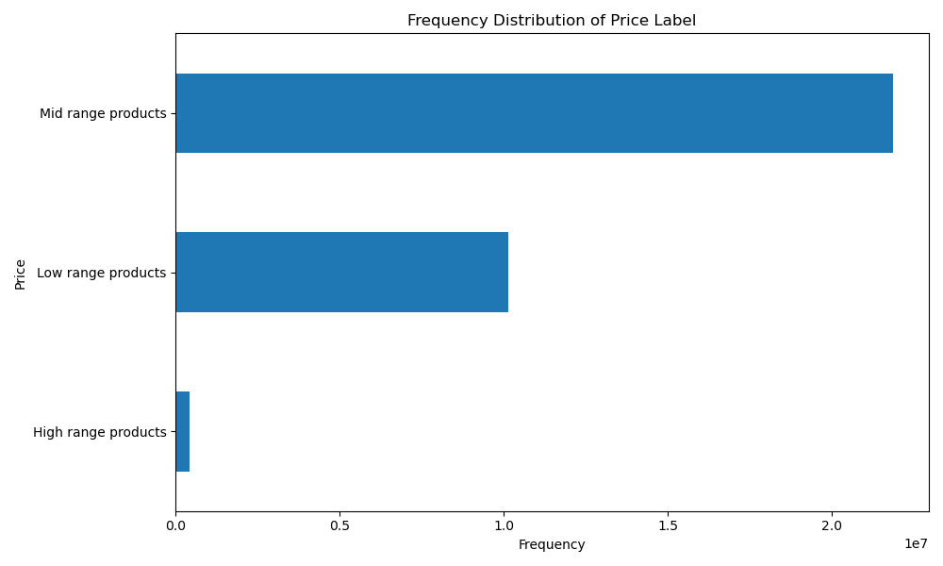

4. Are there certain types of products that are more popular than others? The marketing and sales teams want to know which departments have the highest frequency of product orders.

 | department_id | department_name | product_name | count
 | 4 | produce | Banana | 453164
 | 4 | produce | Bag of Organic Bananas | 366403
 | 4 | produce | Organic Strawberries | 255988
 | 16 | dairy eggs | Organic Whole Milk | 133514
 | 16 | dairy eggs | Organic Half & Half | 73985
 | 7 | beverages | Sparkling Water Grapefruit | 72669
 | 20 | deli | Original Hummus | 68545
 | 16 | dairy eggs | Half & Half | 67069
 | 3 | bakery | 100% Whole Wheat Bread | 58113
 | 7 | beverages | Spring Water | 53962
 | 1 | frozen | Blueberries | 53136
 | 13 | pantry | Extra Virgin Olive Oil | 48142
 | 12 | meat seafood | Boneless Skinless Chicken Breasts | 47755
 | 7 | beverages | Lime Sparkling Water | 44552
 | 20 | deli | Uncured Genoa Salami | 39891
 | 15 | canned goods | Organic Black Beans | 36503
 | 1 | frozen | Organic Broccoli Florets | 31579
 | 1 | frozen | Organic Whole Strawberries | 30272
 | 15 | canned goods | Organic Garbanzo Beans | 28724
 | 20 | deli | Organic Extra Firm Tofu | 27829
 | 17 | household | 100% Recycled Paper Towels | 26808
 | 15 | canned goods | No Salt Added Black Beans | 26636
 | 12 | meat seafood | Ground Turkey Breast | 25702
 | 14 | breakfast | Honey Nut Cheerios | 25362
 | 19 | snacks | Lightly Salted Baked Snap Pea Crisps | 23892
 | 3 | bakery | Organic Bread with 21 Whole Grains | 22137
 | 12 | meat seafood | Boneless Skinless Chicken Breast | 21676
 | 13 | pantry | Creamy Almond Butter | 20536
 | 14 | breakfast | Organic Old Fashioned Rolled Oats | 19461
 | 9 | dry goods pasta | Marinara Sauce | 19252
 | 13 | pantry | Creamy Peanut Butter | 18835
 | 17 | household | Sustainably Soft Bath Tissue | 17553
 | 3 | bakery | Ezekiel 4:9 Bread Organic Sprouted Whole Grain | 16958
 | 19 | snacks | Original Veggie Straws | 16279
 | 9 | dry goods pasta | Organic Tomato Basil Pasta Sauce | 16079
 | 19 | snacks | Sea Salt Pita Chips | 15940
 | 9 | dry goods pasta | Spaghetti | 14911
 | 14 | breakfast | Raisin Bran Cereal | 14715
 | 17 | household | Aluminum Foil | 10228
 | 6 | international | Organic Sea Salt Roasted Seaweed Snacks | 10018
 | 10 | bulk | Dried Mango | 9864
 | 6 | international | Taco Seasoning | 8665
 | 18 | babies | Baby Food Stage 2 Blueberry Pear & Purple Carrot | 8524
 | 21 | missing | Organic Riced Cauliflower | 7880
 | 18 | babies | Spinach Peas & Pear Stage 2 Baby Food | 7796
 | 5 | alcohol | Sauvignon Blanc | 7751
 | 18 | babies | Gluten Free SpongeBob Spinach Littles | 6847
 | 10 | bulk | Organic Rolled Oats | 6172
 | 5 | alcohol | Chardonnay | 5836
 | 5 | alcohol | Cabernet Sauvignon | 5674
 | 11 | personal care | Lavender Hand Soap | 5652
 | 11 | personal care | Lemon Verbena Hand Soap | 4748
 | 6 | international | New Mexico Taco Skillet Sauce For Chicken | 4507
 | 11 | personal care | Premium Epsom Salt | 4127
 | 2 | other | Roasted Almond Butter | 3812
 | 10 | bulk | Organic Black Mission Figs | 2722
 | 21 | missing | Peanut Butter Ice Cream Cup | 1781
 | 8 | pets | Grain Free Chicken Formula Cat Food | 1771
 | 21 | missing | Organic Mango Yogurt | 1599
 | 8 | pets | Grain Free Turkey & Salmon Formula Cat Food | 1517
 | 2 | other | Light CocoWhip! Coconut Whipped Topping | 1488
 | 8 | pets | Instant Action Cat Litter | 1390
 | 2 | other | 93/7 Ground Beef | 1230

Top 3 Products from top 5 departments
 | This table above shows the relationship between departments and the sum of count of products which appeated in all the orders.
 | Departments | Frequency
 | produce | 1075555
 | Bag of Organic Bananas | 366403
 | Banana | 453164
 | Organic Strawberries | 255988
 | dairy eggs | 274568
 | Half & Half | 67069
 | Organic Half & Half | 73985
 | Organic Whole Milk | 133514
 | beverages | 171183
 | Lime Sparkling Water | 44552
 | Sparkling Water Grapefruit | 72669
 | Spring Water | 53962
 | deli | 136265
 | Organic Extra Firm Tofu | 27829
 | Original Hummus | 68545
 | Uncured Genoa Salami | 39891
 | frozen | 114987
 | Blueberries | 53136
 | Organic Broccoli Florets | 31579
 | Organic Whole Strawberries | 30272
 | Grand Total | 1772558

 | From the above Grouped Bar chart, we can see that the top 5 departments are produce, dairy eggs, beverages, deli and frozen respectively. The chart also shows the top products from each deparments.

5. The marketing and sales teams are particularly interested in the different types of customers in their system and how their ordering behaviors differ.
 | a. What’s the distribution among users in regards to their brand loyalty (i.e., how often do they return to Instacart)?

 |  | days_since_prior_order
 |  | loyalty_flag | mean
 |  | Loyal customer | 6
 |  | New customer | 15
 |  | Regular customer | 12

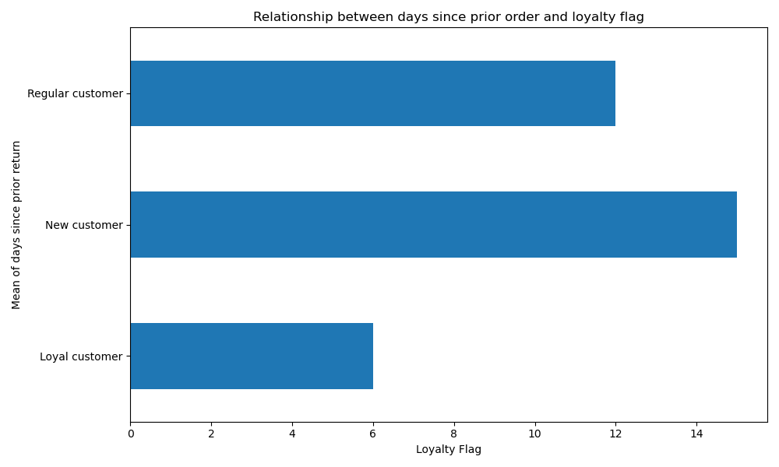

 | This bar chart shows the relationship between days since prior order and loyalty flag
 | Loyal Customer tend to come back in 6 days and are more frequent buyers. Regular Customers takes the highest number of days to come back.

 | b. Are there differences in ordering habits based on a customer’s loyalty status?
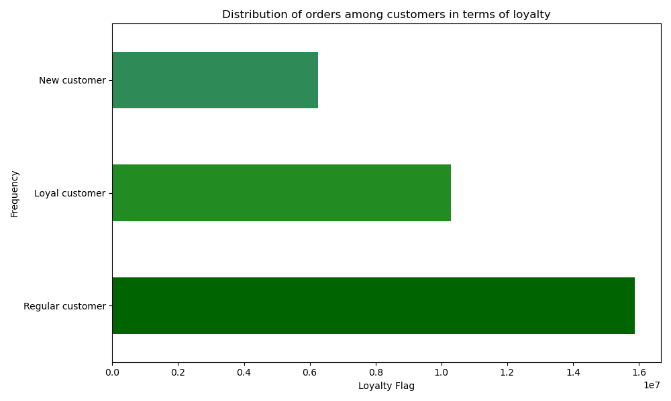

 | The chart shows the frequency Distribution of Loyalty Flag. We can see that the number of Regular Customers are the highest followed by Loyal Customers and the New Customers

 | c. Are there differences in ordering habits based on a customer’s region?

 |  | Region | High spender | Low spender | Percentage of High Spenders | Percentage of Low Spenders
 |  | Midwest | 7589534 | 7791 | 99.897450747 | 0.10254925253
 |  | Northeast | 5717129 | 5607 | 99.902022389 | 0.097977610709
 |  | South | 10781873 | 10012 | 99.907226587 | 0.092773412615
 |  | West | 8284425 | 8488 | 99.897647546 | 0.10235245444

 | From the first glance, it seems that South has the highest 'High Spenders' as well as the highest 'Low spenders' and Northeast has the lowest. However if we look at the percentage of High spenders and percentage of Low spenders, there is very little difference between different regions. If we round it up, it can be summarized that 99.90 % of spenders are high spenders and 0.10 % are low spenders and this is consistent for all the regions.
 | It can be concluded that there is no difference in spending habits between the different US Regions

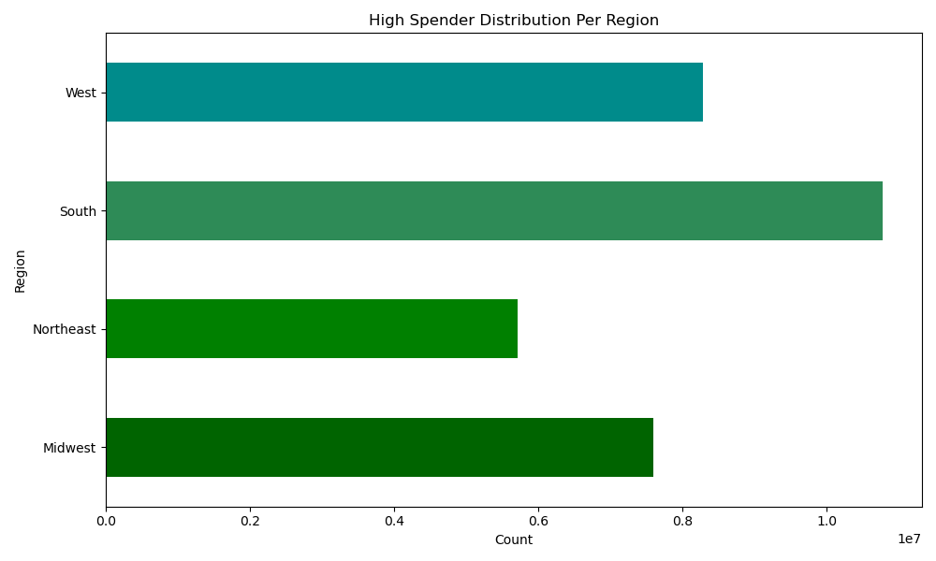

 |  | This chart shows the High Spender Distribution Per Region.
 |  | It can be seen that South has the highest count of High Spenders followed by West, Midwest and then Northeast

 | d. Is there a connection between age and family status in terms of ordering habits?

 |  | customer_profile_age_marital_status | High spender | Low spender | % of High spenders | % of Low Spenders
 |  | Adult_living with parents and siblings | 1480503 | 669 | 99.95% | 0.05%
 |  | Adult_married | 2886418 | 2395 | 99.92% | 0.08%
 |  | Adult_single | 1446540 | 1078 | 99.93% | 0.07%
 |  | Middle aged_divorced/widowed | 622895 | 418 | 99.93% | 0.07%
 |  | Middle aged_married | 12672040 | 9272 | 99.93% | 0.07%
 |  | Middle aged_single | 3644039 | 2753 | 99.92% | 0.08%
 |  | Senior citizens_divorced/widowed | 2020274 | 1684 | 99.92% | 0.08%
 |  | Senior citizens_married | 6170016 | 3570 | 99.94% | 0.06%

 |  | Since the number of low spender are very less, we will be plotting it against total orders for High Spenders.
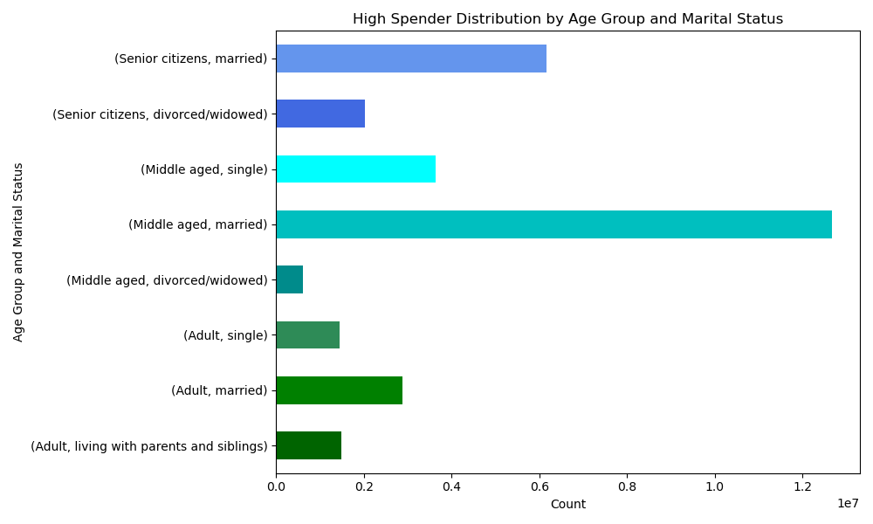

 |  | Middle Aged Married has the highest expenditure followed by single citizens married. It can be said that married indviduals spends the most.

 | e. What different classifications does the demographic information suggest? Age? Income? Certain types of goods? Family status?
 |  | i. Cusomer Profile Distribution

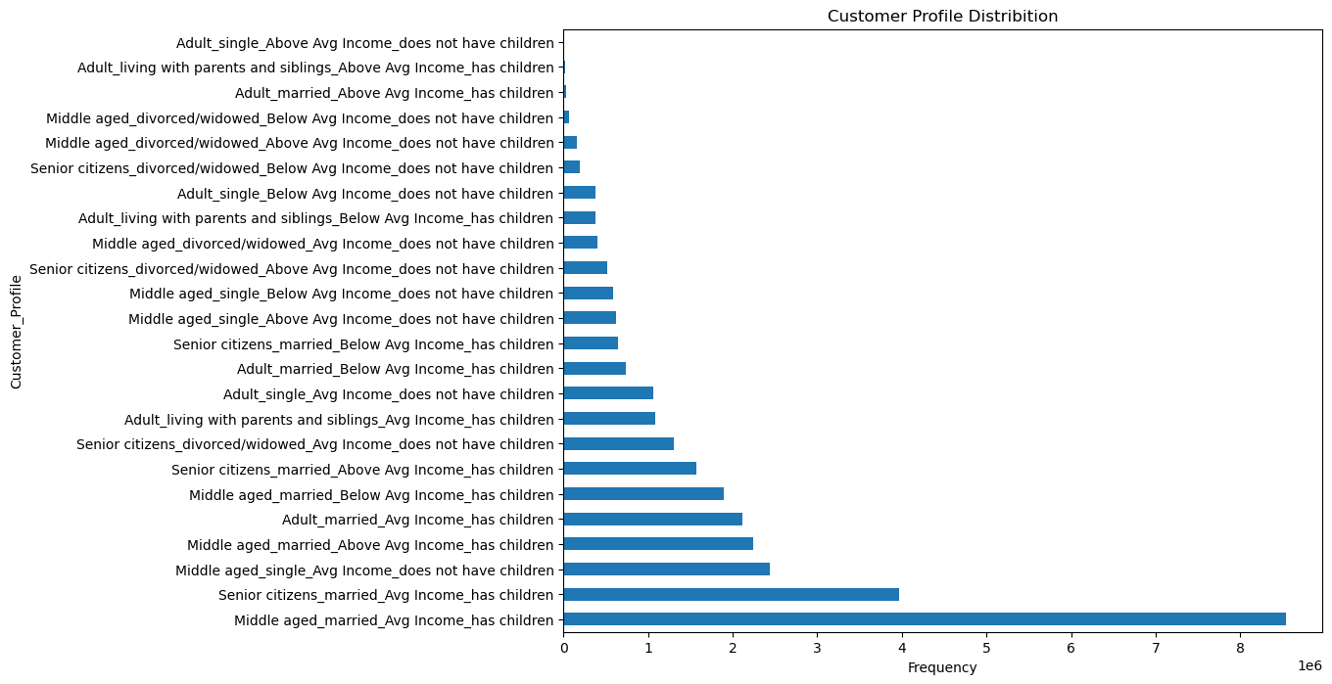

 |  | Middle Aged Married with Average Income who has children contributes to most of our sales

 |  | ii. Customer Profile and Day of Week

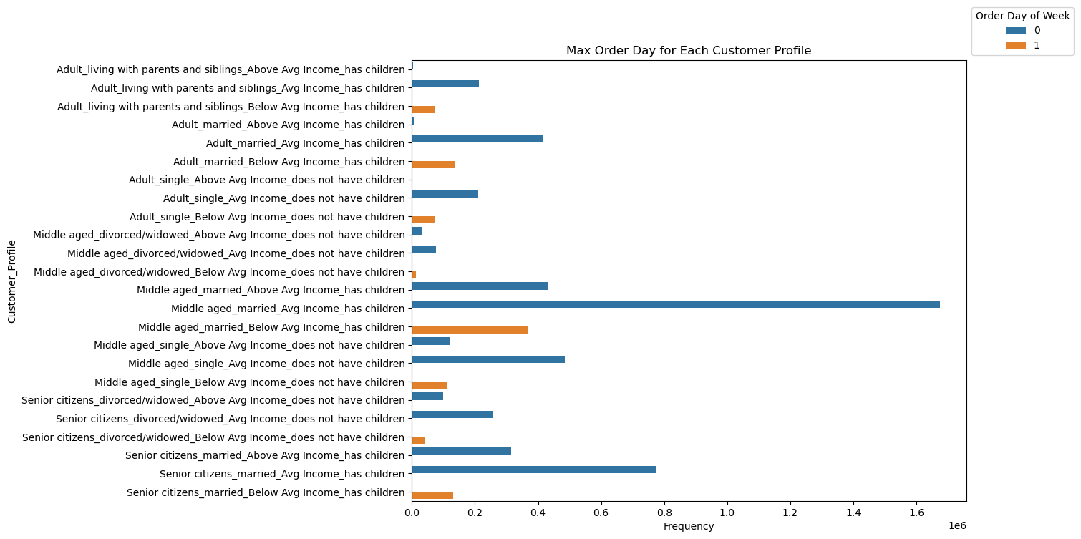

 |  | Most of the customers prefer to go either in Saturday or Sunday. Customers with below Average Income prefers to go on Saturday whereas Customers with Average and Above Average Income prefers to go on Sundays

 |  | iii. Customer Profle and Departments
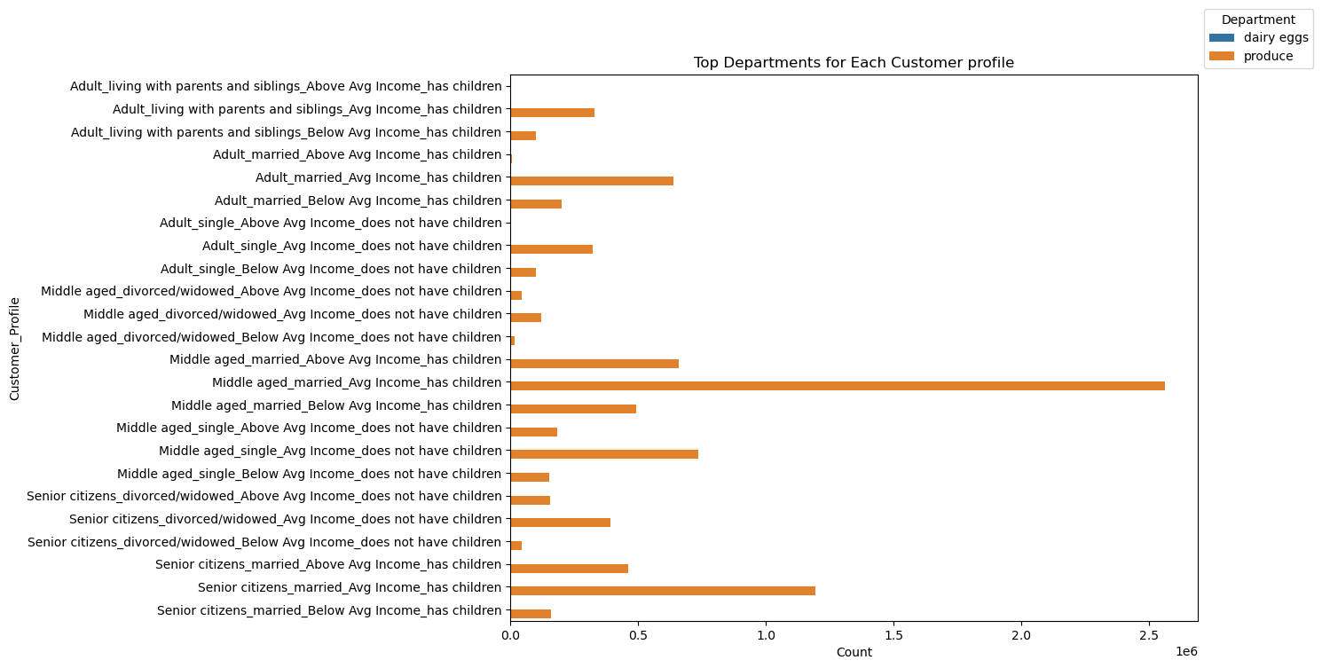

 |  | Here, we took the top departments for each customer profile. It can be seen that produce is the most popular department. Middle aged married individuals with children who has avergage income is our top customer.

 |  | iv. Customer Profile Distribution Across Regions

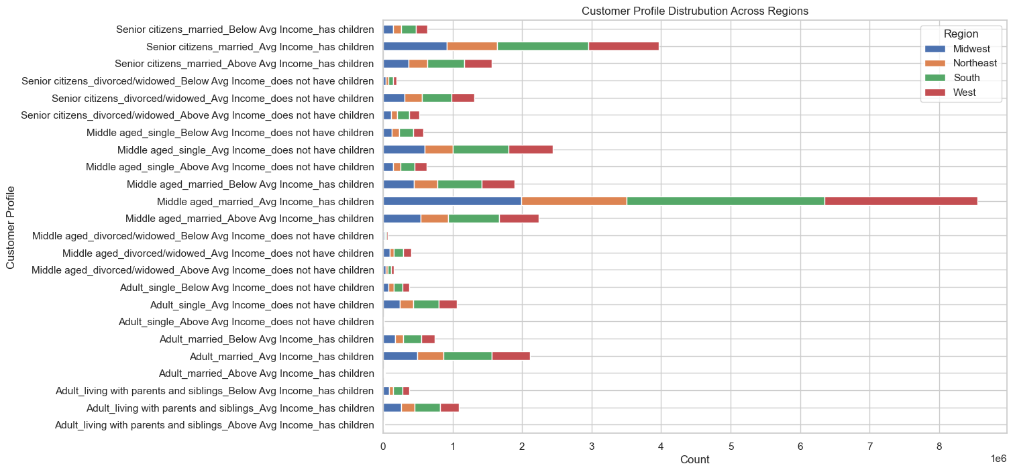

 |  | If we are taking the top three Cutomer Profiles, the top region is South followed by West and then followed by Midwest. Northeast has the lowest counts for all Customer profiles
 |  | Another insight is that Senior Citizen Counts are higher in South

 | f. What differences can you find in ordering habits of different customer profiles? Consider the price of orders, the frequency of orders, the products customers are ordering, and anything else you can think of.
 |  | i. Mean Order Distribution Per Customer Profile

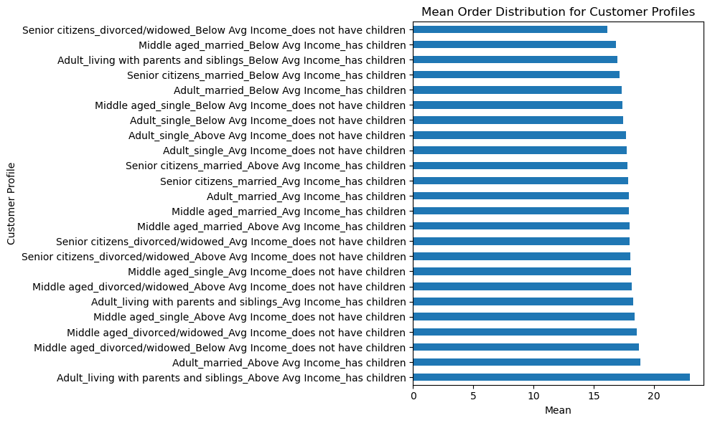

 |  | This chart shows the mean order distribution for each customer profile
 |  | Adult_living with parents and siblings_Above Avg Income_has children has the highest mean orders. It can be seen that Adults with children places the most orders.

 |  | ii. Days_since_prior_order per Cutomer_profile

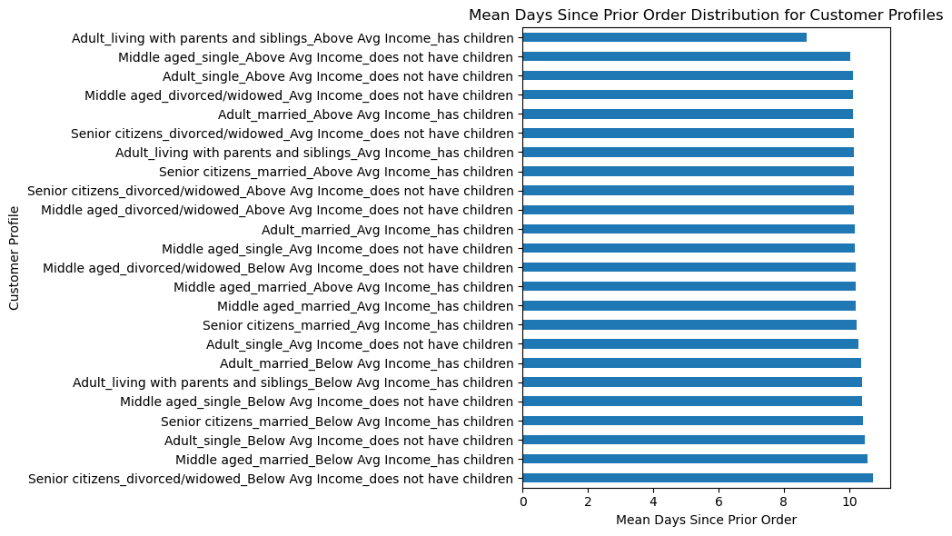

 |  | This distribution tells us that all the customer profiles purchases products every 10 days and this is consistent throughout all the customer profiles except for Adult_living with parents and siblings_Above Avg Income_has children

 |  | iii. Price Distribution for Customer Profiles

 |  |  | Mean Price

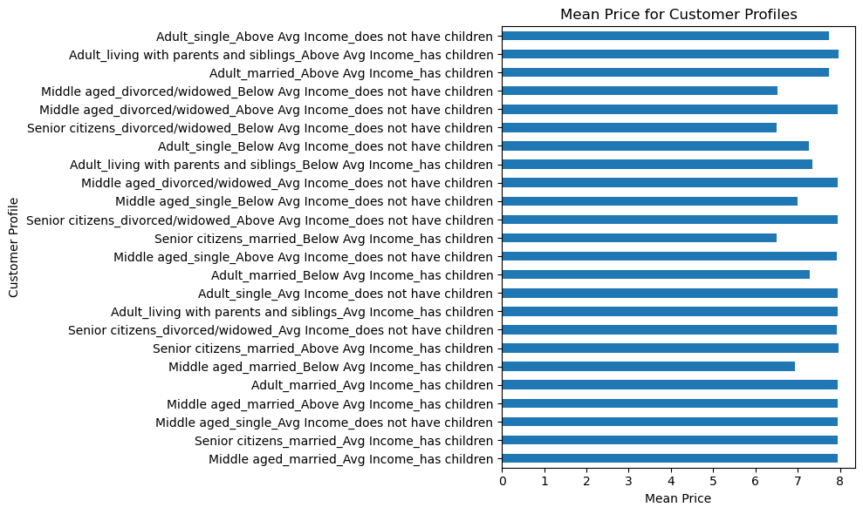

 |  | This distribution tells us that, while all the customer_profiles purchases products with almost same average price, Middle aged_married_Avg Income_has children have spent the most till date

 |  |  | Sum of Price

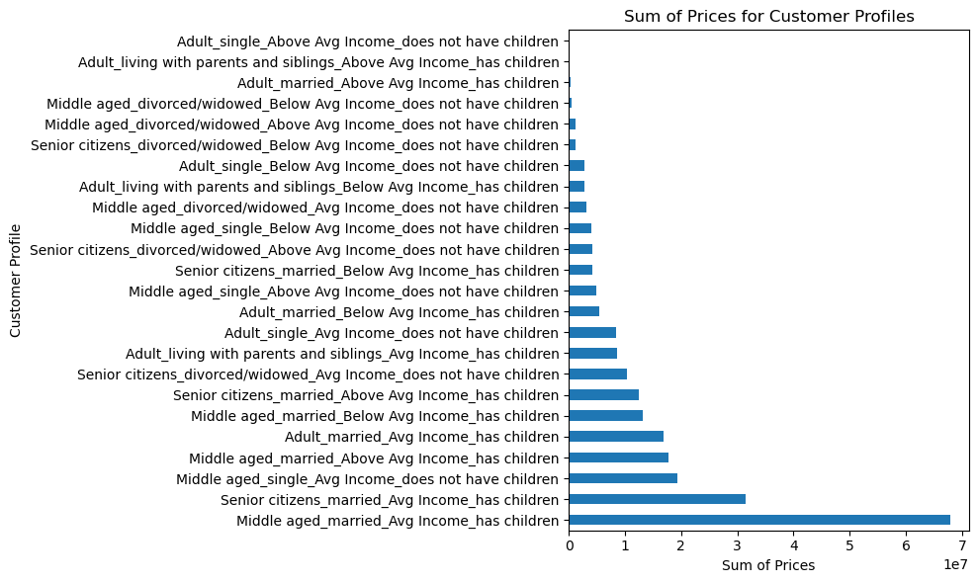

 |  | This distribution tells us that Middle aged married individuals with Average Income who has children spends the most.

6. We need to know what part of our offering has the lowest market share and why. Based on this input, we could improve this sector and boost sales

 | product_name | department_name | count |  | Department/Product | Sum of count
 | Organic Riced Cauliflower | missing | 7880 |  | missing | 11260
 | Peanut Butter Ice Cream Cup | missing | 1781 |  | Organic Mango Yogurt | 1599
 | Organic Mango Yogurt | missing | 1599 |  | Organic Riced Cauliflower | 7880
 | Roasted Almond Butter | other | 3812 |  | Peanut Butter Ice Cream Cup | 1781
 | Light CocoWhip! Coconut Whipped Topping | other | 1488 |  | other | 6530
 | 93/7 Ground Beef | other | 1230 |  | 93/7 Ground Beef | 1230
 | Grain Free Chicken Formula Cat Food | pets | 1771 |  | Light CocoWhip! Coconut Whipped Topping | 1488
 | Grain Free Turkey & Salmon Formula Cat Food | pets | 1517 |  | Roasted Almond Butter | 3812
 | Instant Action Cat Litter | pets | 1390 |  | pets | 4678
 |  |  |  |  | Grain Free Chicken Formula Cat Food | 1771
 |  |  |  |  | Grain Free Turkey & Salmon Formula Cat Food | 1517
 |  |  |  |  | Instant Action Cat Litter | 1390
 |  |  |  |  | Grand Total | 22468

7. Recommendations
 |  |  |  |  | Title page

Recommendations

Question Number | Stakeholder | Question/Requirement | Answer | Links
Key Question 1 | Sales Team | What are the busiest days of the week? | It is busiest in the weekends- Saturday, Sunday and Friday | Bar Chart:Total Order Distribution in a Week
 |  | What are the busiest hours of the day? | The order frequency starts to increase at 7:00 AM in the morning and reaches its peak at 10:00 AM. The order frequency starts to decrease after 4:00 PM. The busiest time would be from 9:00 AM till 5:00 PM | Bar Chart:Total Order Distribution in a Day
Key Question 2 | Sales Team | Are there particular times of the day when people spend the most money? | It shows that the price is the highest when its 3 am and is the lowest when its 9 AM. The fluctuation of Average prices is very minimal and we can conculde that there is no significant relationship between price and hour of the day. The Average Price is $ 7.80 | Line Chart:Average Price of Products per Hour of Day
Key Question 3 | Marketing Team | Create a simpler price range groupings. | A price_label flag has been created with the following criteria: | Table:Frequency Distribution of Price Lable
 |  |  | Low range productrs where prices are below 5 | Bar Chart: Frequency Distribution of Price Lable
 | Sales Team |  | Mid range products where prices are between 15 and 5
 |  |  | High range products where prices are more than 15
Key Question 4 | Sales Team | Which Departments have the highest frequency of product orders? | The top 5 departments are produce, dairy eggs, beverages, deli and frozen respectively | Grouped Bart Chart: Top 3 Products from Top 5 Departments
 | Marketing Team |  | A Grouped Bar Chart is also created to show the top 3 products from the top 5 departments
Key Question 5 | Sales Team | What is the distribution among users in regards to their brand loyalty? (i.e., how often do they return) | Loyal Customer tend to come back in 6 days and are more frequent buyers. Regular Customers takes the highest number of days to come back. | Bar Chart:Average Days Since Prior Order Per Loyalty Categories
 | Marketing Team
Key Question 6 | Sales Team | Are there differences in ordering habits based on a customer’s loyalty status? | The number of Regular Customers are the highest followed by Loyal Customers and the New Customers | Bar Chart:Distribution of Orders among Customer in Terms of Loyalty
 | Marketing Team
Key Question 7 | Sales Team | Are there differences in ordering habits based on a customer’s region? | From the first glance, it seems that South has the highest 'High Spenders' as well as the highest 'Low spenders' and Northeast has the lowest. However if we look at the percentage of High spenders and percentage of Low spenders, there is very little difference between different regions. If we round it up, it can be summarized that 99.90 % of spenders are high spenders and 0.10 % are low spenders and this is consistent for all the regions. | Table: Customer Distribution between Regions Based on their Spending Habits

 | Marketing Team |  | Since Low Spender % is very low, a Bar Chart is created to show the Frequency Distribution of High Spending Customer across each Region | Bar Chart: High Spender Distribution Per Region
Key Question 8 | Sales Team | Is there a connection between age and family status in terms of ordering habits? | Separate Customer profiles were created based on their age and family statues. | Table: Customer Profile Distribution Based on Spending cabability
 |  |  | When customer profiles are compared against High and Low Spenders, it is seen that the percentage of Low Spenders are very less.

 | Marketing Team |  | Since % of Low Spenders are very low, a Barchart is created to show the relationship between Age_FamilyStatus and spending Flag | Bar Chart: High Spender Distribution based on age and family status
 |  |  | Middle Aged Married has the highest expenditure followed by single citizens married. It can be said that married indviduals spends the most.
Key Question 8 | Sales Team | What different classifications does the demographic information suggest?Age? Income? Certain types of goods? Family status? | Customer Profile Distribution: | Bar Chart: Histomer Profile Distribution
 |  |  | Middle Aged Married with Average Income who has children contributes to most of our sales
 |  |  | Relationship between Customer Profile and Day of Work: | Bar Chart: Max Order Day for Each Customer Profile
 |  |  | Max Order Day is taken for each customer profile and it shows that most of the customers prefer to go either in Saturday or Sunday. Customers with below Average Income prefers to go on Saturday whereas Customers with Average and Above Average Income prefers to go on Sundays.
 |  |  | Relationship between Customer Profile and Departments | Bar Chart: Top Departments for Each Customer Profile
 | Marketing Team |  | Here, we took the top departments for each customer profile. It can be seen that produce is the most popular department. Middle aged married individuals with children who has avergage income is our top customer.
 |  |  | Customer Profile Distribution across Regions | Grouped Bart Chart: Customer Profile Distribution across Regions
 |  |  | If we are taking the top three Cutomer Profiles, the top region is South followed by West and then followed by Midwest. Northeast has the lowest counts for all Customer profiles
 |  |  | Another insight is that Senior Citizen Counts are higher in South
Key Question 9 | Sales Team | What differences can you find in ordering habits of different customer profiles? Consider the price of orders, the frequency of orders, the products customers are ordering, and anything else you can think of. | Mean Order Distribution per Customer Profile: | Bar Chart: Mean Order Distribution per Customer profile
 |  |  | Adult_living with parents and siblings_Above Avg Income_has children has the highest mean orders. It can be seen that Adults with children places the most orders.

 |  |  | Mean Days_since_prior_order per Cutomer_Profile: | Bar Chart: Mean days_since_prior_order per Cutomer_Profile
 |  |  | This distribution tells us that all the customer profiles purchases products every 10 days and this is consistent throughout all the customer profiles except for Adult_living with parents and siblings_Above Avg Income_has children

 | Marketing Team |  | Mean Price Distribution per Customer Profile: | Bar Chart: Mean Price distribution per Customer Profile
 |  |  | This distribution tells us that, while all the customer_profiles purchases products with almost same average price, Middle aged_married_Avg Income_has children have spent the most till date

 |  |  | Aggregated Price Distribution per Customer Profile: | Bar Chart: Sum of Price distribution per Customer Profile
 |  |  | This distribution tells us that Middle aged married individuals with Average Income who has children spends the most.

Key Question 10 | Vice President of Marketing | We’re always looking into improving our targeting for ad campaigns. | So far, produce and dairy eggs are the most selling departments. We should also concentrate on other departments in term of marketing. Also Adults (18-30) seem to have to lowest sales and would be a good target audience for the new marketing campagn.

Key Question 11 | Senior Vice President of Sales: | We need to know what part of our offering has the lowest market share and why. Based on this input, we could improve this sector and boost sales | We sell the least amount of products from the Pets Department. As per the US market, 'Pets' Department should have a high market share. We should try to get customers feedback for our Pets department and try to find our lackings and get resolution on that. | Table: Least 3 Departments

8. Data Citation
 | Title page
Data Citation

"The Instacart Online Grocery Shopping Dataset 2017"
Accessed from www.instacart.com/datasets/grocery-shopping-2017 via Kaggle on 01182024

The Customer Data and the Price Data were both fabricated for the purpose of this project.

